Bender Coil Shield
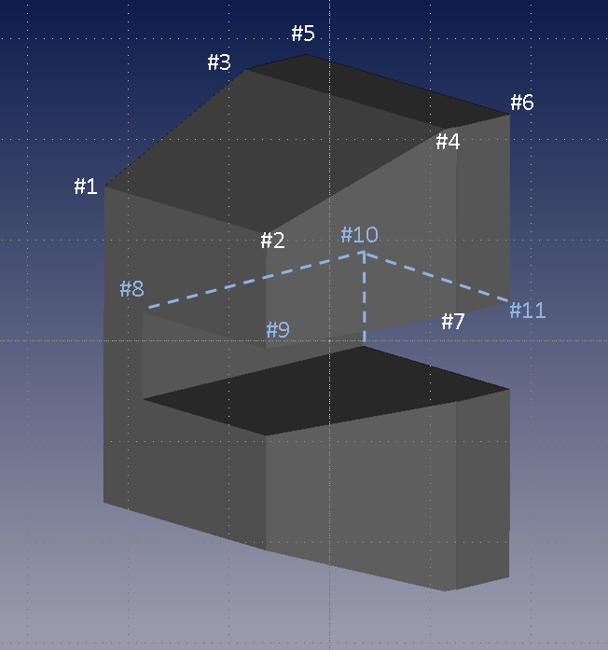
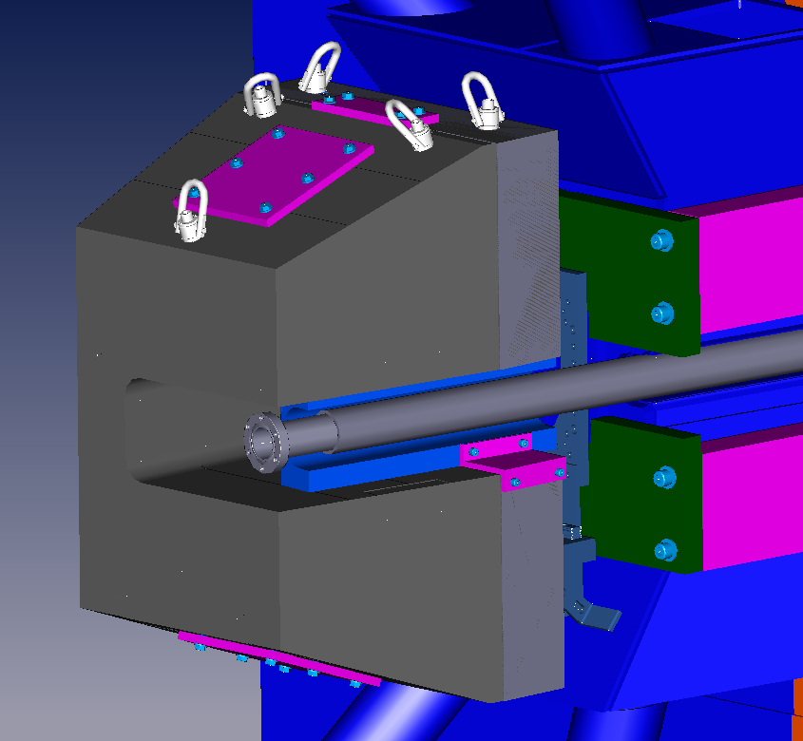

Hall C Beam Line - SHMS Min Angle Configuration (Bender Volumes)
Description | Point # | "X" | "Y" | "Z" | Volume (in^3) | Material
Bender Coil Shield |  |  |  |  | 4430.18 | lead |  | X(cm) | Y(cm) | Z(cm)
 | #1 | 9.555 | 8.643 | 24.518 |  |  | 1 | 24.2697 | 21.953982 | 62.276482
 | #2 | -3.077 | 8.643 | 26.069 |  |  | 2 | -7.81431 | 21.953982 | 66.216022
 | #3 | 12.511 | 12.650 | 36.246 |  |  | 3 | 31.77667 | 32.131 | 92.06357
 | #4 | -3.370 | 12.650 | 38.195 | = |  | 4 | -8.560562 | 32.131 | 97.016316
 | #5 | 12.968 | 12.650 | 39.968 |  |  | 5 | 32.93745 | 32.131 | 101.517704
 | #6 | -2.913 | 12.650 | 41.918 |  |  | 6 | -7.399782 | 32.131 | 106.47045
 | #7 | -3.370 | 2.375 | 38.195 |  |  | 7 | -8.560308 | 6.0325 | 97.016316
 | #8 | 6.582 | 2.375 | 24.883 |  |  | 8 | 16.717264 | 6.0325 | 63.203836
 | #9 | -3.077 | 2.375 | 26.069 |  |  | 9 | -7.81431 | 6.0325 | 66.216022
 | #10 | 8.501 | 2.375 | 40.516 |  |  | 10 | 21.59254 | 6.0325 | 102.91064
 | #11 | -2.913 | 2.375 | 41.918 |  |  | 11 | -7.399782 | 6.0325 | 106.47045 | Plane Coordinates
Lower half of shielding block is the same as the upper except for a negative "Y" value |  |  |  |  |  |  |  |  |  |  | a | b | c
 |  |  |  |  |  |  |  | 16.717264 | 6.0325 | 63.203836 | -479.06259026 | 0 | 58.82020494
 |  |  |  |  |  |  |  | 21.59254 | 6.0325 | 102.91064
 |  |  |  |  |  |  |  | 21.59254 | -6.0325 | 102.91064

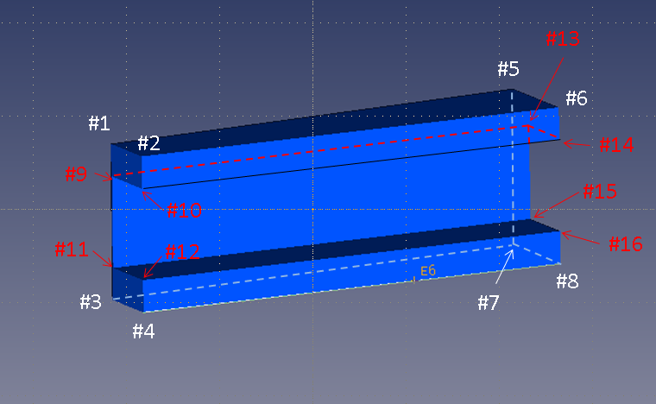

Hall C Beam Line - SHMS Min Angle Configuration (Bender Volumes)
Description | Point # | "X" | "Y" | "Z" | Volume (in^3) | Material |  | X(cm) | Y(cm) | Z(cm)
Shield Wedge |  |  |  |  | 89.07 | Tungsten
 | #1 | 1.260 | 2.325 | 29.500 |  |  |  | 3.199892 | 5.9055 | 74.93
 | #2 | -0.779 | 2.325 | 29.500 |  |  |  | -1.977898 | 5.9055 | 74.93
 | #3 | 1.260 | -2.375 | 29.500 |  |  |  | 3.199892 | -6.0325 | 74.93
 | #4 | -0.779 | -2.375 | 29.500 |  |  |  | -1.977898 | -6.0325 | 74.93
 | #5 | 2.221 | 2.325 | 43.250 |  |  |  | 5.642102 | 5.9055 | 109.855
 | #6 | -0.779 | 2.325 | 43.250 |  |  |  | -1.977898 | 5.9055 | 109.855
 | #7 | 2.221 | -2.375 | 43.250 |  |  |  | 5.642102 | -6.0325 | 109.855
 | #8 | -0.779 | -2.375 | 43.250 |  |  |  | -1.977898 | -6.0325 | 109.855
 | #9 | 1.171 | 1.350 | 29.500 |  |  |  | 2.975102 | 3.429 | 74.93
 | #10 | -0.779 | 1.350 | 29.500 |  |  |  | -1.977898 | 3.429 | 74.93
 | #11 | 1.171 | -1.400 | 29.500 |  |  |  | 2.975102 | -3.556 | 74.93
 | #12 | -0.779 | -1.400 | 29.500 |  |  |  | -1.977898 | -3.556 | 74.93
 | #13 | 1.171 | 1.350 | 43.250 |  |  |  | 2.975102 | 3.429 | 109.855
 | #14 | 0.779 | 1.350 | 43.250 |  |  |  | 1.977898 | 3.429 | 109.855
 | #15 | 1.171 | -1.400 | 43.250 |  |  |  | 2.975102 | -3.556 | 109.855
 | #16 | -0.779 | -1.400 | 43.250 |  |  |  | -1.977898 | -3.556 | 109.855

Beam Pipe Geometry
Hall C Beam Line - SHMS Min Angle Configuration (Beam Pipes- Target Chamber to Gate Valve)
Start "Z" (in) | Stop "Z" (in) | Outer Radius "R" (in) | Radial Wall Thickness (in) | Weight (lbs) | Material | Description | Start Z(cm) | Stop Z(cm) | Outher Radius (cm) | Thickness (cm) | Inner Radius(cm) | Weight (lbs) | Length | Material
27.5 | 28 | 1.378 | 0.65 | 0.192 | 6061-T6 Alum | Nipple Flange | 69.85 | 71.12 | 3.50012 | 1.651 | 1.84912 | 0.192 | 1.27 | 6061-T6 Alum
28 | 31.06 | 0.846 | 0.118 | 0.195 | 6061-T6 Alum | Nipple | 71.12 | 78.8924 | 2.14884 | 0.29972 | 1.84912 | 0.195 | 7.7724 | 6061-T6 Alum
31.06 | 101.78 | 1 | 0.188 | 3.752 | 6061-T6 Alum | UpStream Transition BP | 78.8924 | 258.5212 | 2.54 | 0.47752 | 2.06248 | 3.752 | 179.6288 | 6061-T6 Alum
101.78 | 102.4 | 1.438 | 0.625 | 0.257 | 6061-T6 Alum | Transition BP Mid Flange | 258.5212 | 260.096 | 3.65252 | 1.5875 | 2.06502 | 0.257 | 1.5748 | 6061-T6 Alum
102.4 | 164.35 | 1.438 | 0.204 | 9.9 | 6061-T6 Alum | Downstream Transitin BP | 260.096 | 417.449 | 3.65252 | 0.51816 | 3.13436 | 9.9 | 157.353 | 6061-T6 Alum
164.35 | 165.03 | 2.782 | 1.547 | 1.226 | 6061-T6 Alum | Transition BP Downstream Flange | 417.449 | 419.1762 | 7.06628 | 3.92938 | 3.1369 | 1.226 | 1.7272 | 6061-T6 Alum
 |  |  |  |  |  |  | 0 | 0 | 0 | 0 | 0 | 0 | 0 | 0
165.03 | 166.405 | 2.5 | 0.625 | 1.579 | 6061-T6 Alum | 5 in Beam Pipe Upstream Flange | 419.1762 | 422.6687 | 6.35 | 1.5875 | 4.7625 | 1.579 | 3.4925 | 6061-T6 Alum
166.405 | 316.78 | 2.5 | 0.25 | 54.95 | 6061-T6 Alum | 5 in Beam Pipe | 422.6687 | 804.6212 | 6.35 | 0.635 | 5.715 | 54.95 | 381.9525 | 6061-T6 Alum
316.78 | 317.655 | 3.55 | 1 | 1.6 | 6061-T6 Alum | 5 in Beam Pipe Mid Flange | 804.6212 | 806.8437 | 9.017 | 2.54 | 6.477 | 1.6 | 2.2225 | 6061-T6 Alum
317.655 | 342 | 3.5 | 0.25 | 12.93 | 6061-T6 Alum | 7 in Beam Pipe | 806.8437 | 868.68 | 8.89 | 0.635 | 8.255 | 12.93 | 61.8363 | 6061-T6 Alum
342 | 342.9 | 5.375 | 2.125 | 4.46 | 6061-T6 Alum | 5 in Beam Pipe Downstream Flange | 868.68 | 870.966 | 13.6525 | 5.3975 | 8.255 | 4.46 | 2.286 | 6061-T6 Alum
 |  |  |  |  |  |  | 0 | 0 | 0 | 0 | 0 | 0 | 0 | 0
342.905 | 343.905 | 5.375 | 1.46 | 11.47 | 347 Stainless Stl | Bellows Flange | 870.9787 | 873.5187 | 13.6525 | 3.7084 | 9.9441 | 11.47 | 2.54 | 347 Stainless Stl
343.905 | 348.985 | 4 | 0.085 | 3.05 | 347 Stainless Stl | Bellows | 873.5187 | 886.4219 | 10.16 | 0.2159 | 9.9441 | 3.05 | 12.9032 | 347 Stainless Stl
348.985 | 349.985 | 5.375 | 1.46 | 11.47 | 347 Stainless Stl | Bellows Flange | 886.4219 | 888.9619 | 13.6525 | 3.7084 | 9.9441 | 11.47 | 2.54 | 347 Stainless Stl
 |  |  |  |  |  |  | 0 | 0 | 0 | 0 | 0 | 0 | 0 | 0
349.985 | 351.11 | 5.375 | 1.125 | 3.497 | 6061-T6 Alum | 10 in Beam Pipe Upstream Flange | 888.9619 | 891.8194 | 13.6525 | 2.8575 | 10.795 | 3.497 | 2.8575 | 6061-T6 Alum
351.11 | 428.11 | 5.375 | 0.375 | 90.465 | 6061-T6 Alum | 10 in Beam Pipe | 891.8194 | 1087.3994 | 13.6525 | 0.9525 | 12.7 | 90.465 | 195.58 | 6061-T6 Alum
428.11 | 429.235 | 9 | 4 | 17.164 | 6061-T6 Alum | 10 in Beam Pipe Downstream Flange | 1087.3994 | 1090.2569 | 22.86 | 10.16 | 12.7 | 17.164 | 2.8575 | 6061-T6 Alum
429.235 | 430.735 | 11.75 | 5.75 | 44.462 | 6061-T6 Alum | Adapter Flange | 1090.2569 | 1094.0669 | 29.845 | 14.605 | 15.24 | 44.462 | 3.81 | 6061-T6 Alum
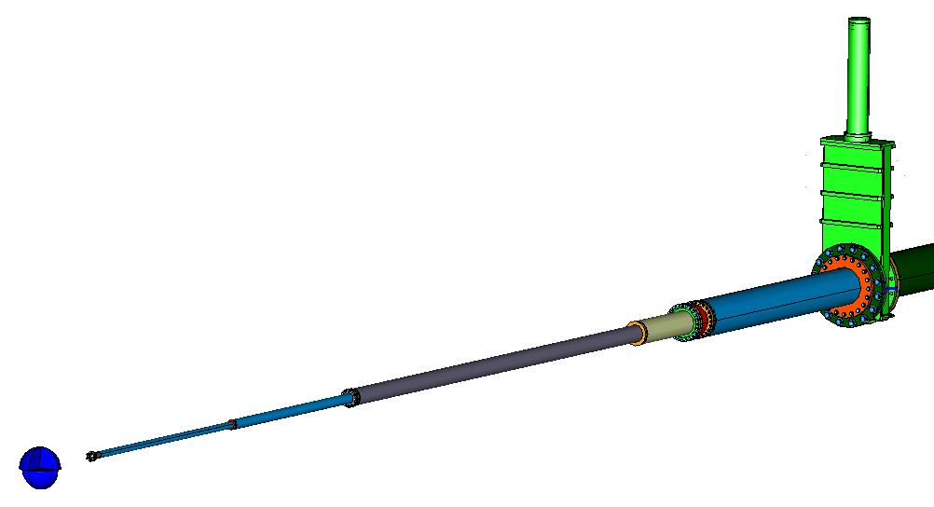
 |  |  |  |  |  |  | 0 | 0 | 0 | 0 | 0 | 0 | 0 | 0
 |  |  |  |  |  |  | 0 | 0 | 0 | 0 | 0 | 0 | 0 | 0
 |  |  |  |  |  |  | 0 | 0 | 0 | 0 | 0 | 0 | 0 | 0
 |  |  |  |  |  |  | 0 | 0 | 0 | 0 | 0 | 0 | 0 | 0
 |  |  |  |  |  |  | 0 | 0 | 0 | 0 | 0 | 0 | 0 | 0
Updated
 |  |  |  |  |  |  | 0 | 0 | 0 | 0 | 0 | 0 | 0 | 0
 |  |  |  |  |  |  | 0 | 0 | 0 | 0 | 0 | 0 | 0 | 0
 |  |  |  |  |  |  | 0 | 0 | 0 | 0 | 0 | 0 | 0 | 0
 |  |  |  |  |  |  | 0 | 0 | 0 | 0 | 0 | 0 | 0 | 0
 |  |  |  |  |  |  | 0 | 0 | 0 | 0 | 0 | 0 | 0 | 0
 |  |  |  |  |  |  | 0 | 0 | 0 | 0 | 0 | 0 | 0 | 0
 |  |  |  |  |  |  | 0 | 0 | 0 | 0 | 0 | 0 | 0 | 0
 |  |  |  |  |  |  | 0 | 0 | 0 | 0 | 0 | 0 | 0 | 0
 |  |  |  |  |  |  | 0 | 0 | 0 | 0 | 0 | 0 | 0 | 0
 |  |  |  |  |  |  | 0 | 0 | 0 | 0 | 0 | 0 | 0 | 0
 |  |  |  |  |  |  | 0 | 0 | 0 | 0 | 0 | 0 | 0 | 0
 |  |  |  |  |  |  | 0 | 0 | 0 | 0 | 0 | 0 | 0 | 0
 |  |  |  |  |  |  | 0 | 0 | 0 | 0 | 0 | 0 | 0 | 0
Hall C Beam Line - SHMS Min Angle Configuration (Aluminum Gate Valve) |  |  |  |  |  |  | #VALUE! | 0 | 0 | 0 | 0 | 0 | #VALUE! | 0
Start "Z" (in) | Stop "Z" (in) | "X" | "Y" | Weight (lbs) | Material | Description | #VALUE! | #VALUE! | #VALUE! | #VALUE! | #VALUE! | Weight (lbs) | #VALUE! | Material
430.735 | 437.215 |  |  | Est 250.0 | Aluminum | Gate Valve Assy | 1094.0669 | 1110.5261 | 0 | 0 | 0 | Est 250.0 | 16.4592 | Aluminum
 |  |  |  |  |  |  | 0 | 0 | 0 | 0 | 0 | 0 | 0 | 0
Point 1 |  | 9.969 | 65.750 |  |  |  | #VALUE! | 0 | 25.32126 | 167.005 | -141.68374 | 0 | #VALUE! | 0
Point 2 |  | -9.969 | 65.75 |  |  |  | #VALUE! | 0 | -25.32126 | 167.005 | -192.32626 | 0 | #VALUE! | 0
Point 3 |  | 9.969 | 15.5 |  |  |  | #VALUE! | 0 | 25.32126 | 39.37 | -14.04874 | 0 | #VALUE! | 0
Point 4 |  | -9.969 | 15.5 |  |  |  | #VALUE! | 0 | -25.32126 | 39.37 | -64.69126 | 0 | #VALUE! | 0
 |  |  |  |  |  |  | 0 | 0 | 0 | 0 | 0 | 0 | 0 | 0
 |  |  |  |  |  |  | 0 | 0 | 0 | 0 | 0 | 0 | 0 | 0
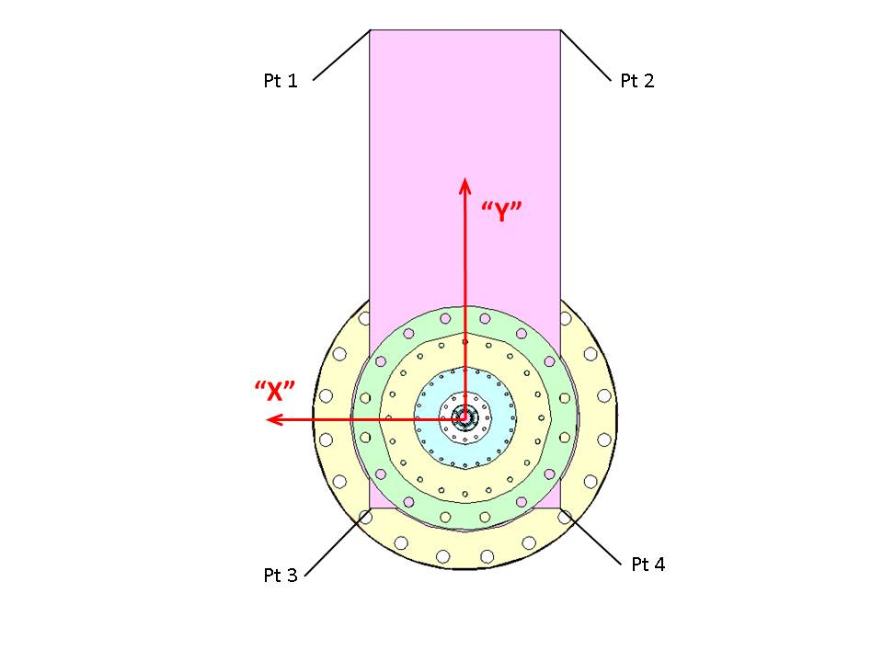
 |  |  |  |  |  |  | 0 | 0 | 0 | 0 | 0 | 0 | 0 | 0
 |  |  |  |  |  |  | 0 | 0 | 0 | 0 | 0 | 0 | 0 | 0
 |  |  |  |  |  |  | 0 | 0 | 0 | 0 | 0 | 0 | 0 | 0
 |  |  |  |  |  |  | 0 | 0 | 0 | 0 | 0 | 0 | 0 | 0
 |  |  |  |  |  |  | 0 | 0 | 0 | 0 | 0 | 0 | 0 | 0
 |  |  |  |  |  |  | 0 | 0 | 0 | 0 | 0 | 0 | 0 | 0
 |  |  |  |  |  |  | 0 | 0 | 0 | 0 | 0 | 0 | 0 | 0
 |  |  |  |  |  |  | 0 | 0 | 0 | 0 | 0 | 0 | 0 | 0
 |  |  |  |  |  |  | 0 | 0 | 0 | 0 | 0 | 0 | 0 | 0
 |  |  |  |  |  |  | 0 | 0 | 0 | 0 | 0 | 0 | 0 | 0
 |  |  |  |  |  |  | 0 | 0 | 0 | 0 | 0 | 0 | 0 | 0
 |  |  |  |  |  |  | 0 | 0 | 0 | 0 | 0 | 0 | 0 | 0
 |  |  |  |  |  |  | 0 | 0 | 0 | 0 | 0 | 0 | 0 | 0
 |  |  |  |  |  |  | 0 | 0 | 0 | 0 | 0 | 0 | 0 | 0
 |  |  |  |  |  |  | 0 | 0 | 0 | 0 | 0 | 0 | 0 | 0
 |  |  |  |  |  |  | 0 | 0 | 0 | 0 | 0 | 0 | 0 | 0
 |  |  |  |  |  |  | 0 | 0 | 0 | 0 | 0 | 0 | 0 | 0
 |  |  |  |  |  |  | 0 | 0 | 0 | 0 | 0 | 0 | 0 | 0
 |  |  |  |  |  |  | 0 | 0 | 0 | 0 | 0 | 0 | 0 | 0
 |  |  |  |  |  |  | 0 | 0 | 0 | 0 | 0 | 0 | 0 | 0
 |  |  |  |  |  |  | 0 | 0 | 0 | 0 | 0 | 0 | 0 | 0
Hall C Beam Line - SHMS Min Angle Configuration (Beam Pipe- Gate Valve to Beam Dump) |  |  |  |  |  |  | #VALUE! | 0 | 0 | 0 | 0 | 0 | #VALUE! | 0
Start "Z" (in) | Stop "Z" (in) | Outer Radius "R" (in) | Radial Wall Thickness (in) | Weight (lbs) | Material | Description | Start Z(cm) | Stop Z(cm) | Outher Radius (cm) | Thickness (cm) | Inner Radius(cm) | Weight (lbs) | Length | Material
437.215 | 438.715 | 11.75 | 5.781 | 45 | 6061-T6 Alum | 12 in Beam Pipe Upstream Flange | 1110.5261 | 1114.3361 | 29.845 | 14.68374 | 15.16126 | 45 | 3.81 | 6061-T6 Alum
438.715 | 498.225 | 6.375 | 0.406 | 91.402 | 6061-T6 Alum | 12 in Beam Pipe | 1114.3361 | 1265.4915 | 16.1925 | 1.03124 | 15.16126 | 91.402 | 151.1554 | 6061-T6 Alum
498.225 | 499.35 | 9 | 3.031 | 15.157 | 6061-T6 Alum | 12 in Beam Pipe Downstream Flange | 1265.4915 | 1268.349 | 22.86 | 7.69874 | 15.16126 | 15.157 | 2.8575 | 6061-T6 Alum
499.35 | 501.25 | 9 | 2.75 | 23.586 | 6061-T6 Alum | 18 in Beam Pipe Upstream Flange | 1268.349 | 1273.175 | 22.86 | 6.985 | 15.875 | 23.586 | 4.826 | 6061-T6 Alum
501.25 | 649 | 9 | 0.375 | 297.885 | 6061-T6 Alum | 18 in Beam Pipe | 1273.175 | 1648.46 | 22.86 | 0.9525 | 21.9075 | 297.885 | 375.285 | 6061-T6 Alum
649 | 650.875 | 12 | 3.375 | 38.421 | 6061-T6 Alum | 18 in Beam Pipe Downstream Flange | 1648.46 | 1653.2225 | 30.48 | 8.5725 | 21.9075 | 38.421 | 4.7625 | 6061-T6 Alum
650.875 | 652.75 | 12 | 3 | 35.347 | 6061-T6 Alum | 24 in Beam Pipe-1 Upstream Flange | 1653.2225 | 1657.985 | 30.48 | 7.62 | 22.86 | 35.347 | 4.7625 | 6061-T6 Alum
652.75 | 746.77 | 12 | 0.375 | 254.344 | 6061-T6 Alum | 24 in Beam Pipe-1 | 1657.985 | 1896.7958 | 30.48 | 0.9525 | 29.5275 | 254.344 | 238.8108 | 6061-T6 Alum
746.77 | 748.645 | 16 | 4.375 | 63.936 | 6061-T6 Alum | 24 in Beam Pipe-1 Downstream Flange | 1896.7958 | 1901.5583 | 40.64 | 11.1125 | 29.5275 | 63.936 | 4.7625 | 6061-T6 Alum
748.645 | 750.52 | 16 | 4.375 | 63.936 | 6061-T6 Alum | 24 in Beam Pipe-2 Upstream Flange | 1901.5583 | 1906.3208 | 40.64 | 11.1125 | 29.5275 | 63.936 | 4.7625 | 6061-T6 Alum
750.52 | 844.645 | 12 | 0.375 | 254.628 | 6061-T6 Alum | 24 in Beam Pipe-2 | 1906.3208 | 2145.3983 | 30.48 | 0.9525 | 29.5275 | 254.628 | 239.0775 | 6061-T6 Alum
844.645 | 846.52 | 16 | 4.375 | 63.936 | 6061-T6 Alum | 24 in Beam Pipe-2 Downstream Flange | 2145.3983 | 2150.1608 | 40.64 | 11.1125 | 29.5275 | 63.936 | 4.7625 | 6061-T6 Alum
846.52 | 848.915 | 16 | 4.375 | 81.689 | 6061-T6 Alum | 24 in Beam Pipe-3 Upstream Flange | 2150.1608 | 2156.2441 | 40.64 | 11.1125 | 29.5275 | 81.689 | 6.0833 | 6061-T6 Alum
848.915 | 997.755 | 12 | 0.375 | 404.117 | 6061-T6 Alum | 24 in Beam Pipe-3 | 2156.2441 | 2534.2977 | 30.48 | 0.9525 | 29.5275 | 404.117 | 378.0536 | 6061-T6 Alum
997.755 | 999.63 | 16 | 4.375 | 63.936 | 6061-T6 Alum | 24 in Beam Pipe-3 Downstream Flange | 2534.2977 | 2539.0602 | 40.64 | 11.1125 | 29.5275 | 63.936 | 4.7625 | 6061-T6 Alum
999.63 | 1001.505 | 16 | 4.375 | 63.936 | 6061-T6 Alum | 24 in Beam Pipe-4 Upstream Flange | 2539.0602 | 2543.8227 | 40.64 | 11.1125 | 29.5275 | 63.936 | 4.7625 | 6061-T6 Alum
1001.505 | 1026.965 | 12 | 0.375 | 69.127 | 6061-T6 Alum | 24 in Beam Pipe-4 | 2543.8227 | 2608.4911 | 30.48 | 0.9525 | 29.5275 | 69.127 | 64.6684 | 6061-T6 Alum
1026.965 | 1028.84 | 16 | 4.375 | 63.936 | 6061-T6 Alum | 24 in Beam Pipe-4 Downstream Flange | 2608.4911 | 2613.2536 | 40.64 | 11.1125 | 29.5275 | 63.936 | 4.7625 | 6061-T6 Alum
1028.84 | 1031.477 | 16 | 4.375 | 186.79 | 304 Stainless Stl | 24 in Bellows Flange | 2613.2536 | 2619.95158 | 40.64 | 11.1125 | 29.5275 | 186.79 | 6.69798 | 304 Stainless Stl
1031.477 | 1050.048 | 11.75 | 0.125 | 194.42 | 304 Stainless Stl | 24 in Bellows | 2619.95158 | 2667.12192 | 29.845 | 0.3175 | 29.5275 | 194.42 | 47.17034 | 304 Stainless Stl
1050.048 | 1051.923 | 16 | 4.375 | 186.79 | 304 Stainless Stl | 24 in Bellows Flange | 2667.12192 | 2671.88442 | 40.64 | 11.1125 | 29.5275 | 186.79 | 4.7625 | 304 Stainless Stl

Shielding Geometry
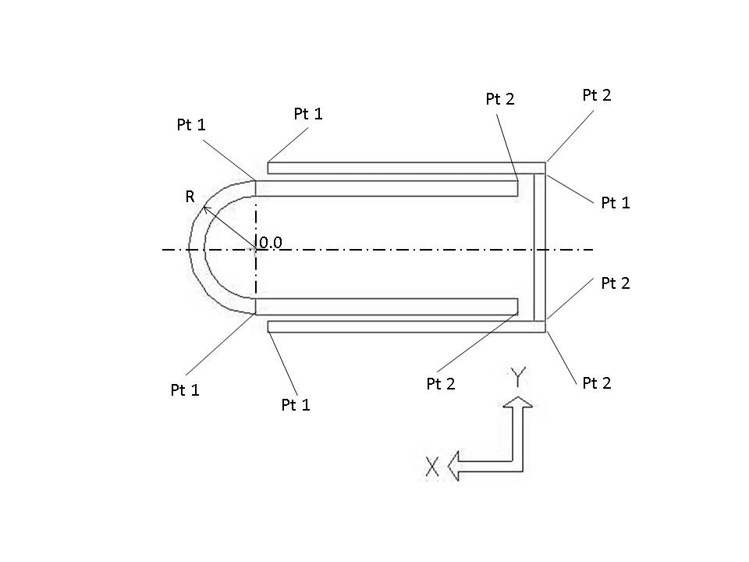
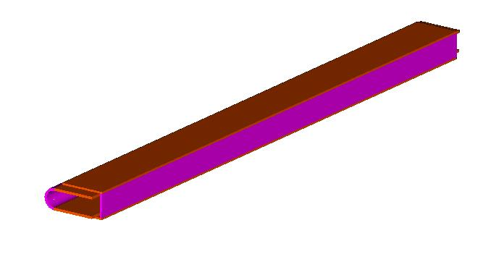
Hall C Beam Line - SHMS Min Angle Configuration (Shielding)
Start "Z" (in) | Stop "Z" (in) | Outer Radius "R" (in) | Thickness (in) | Point 1 "X" | Point 1 "Y" | Point 2 "X" | Point 2 "Y" | Weight (lbs) | Material | Description
41.75 | 98.75 |  | 0.188 | -0.189 | 1.349 | -4.589 | 1.349 | 13.335 |  | HMS Q1 Upper Shield Plate
41.75 | 98.75 |  | 0.188 | -0.189 | -1.349 | -4.589 | -1.349 | 13.335 |  | HMS Q1 Lower Shield Plate
41.75 | 98.75 |  | 0.188 | -4.589 | 1.162 | -4.589 | -1.162 | 7.043 |  | HMS Q1 Backing Shield Plate
40.78 | 99.78 |  | 0.25 | 0.000 | 1.063 | -4.150 | 1.063 | 17.358 |  | SHMS Bender Upper Shield Plate
40.78 | 99.78 |  | 0.25 | 0.000 | -1.063 | -4.150 | -1.063 | 17.358 |  | SHMS Bender Lower Shield Plate
40.78 | 99.78 | 1.0625 | 0.25 |  |  |  |  | 12.319 |  | SHMS Bender Shield Half Tube

Obsolete

Bolt Properties
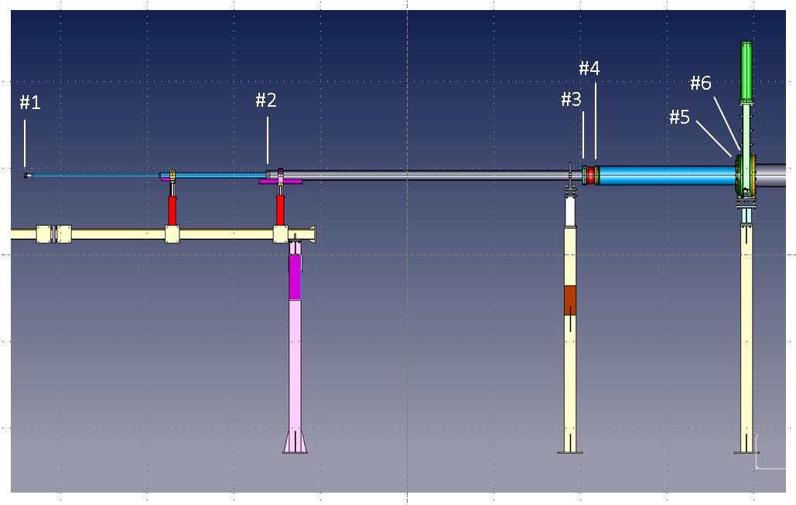
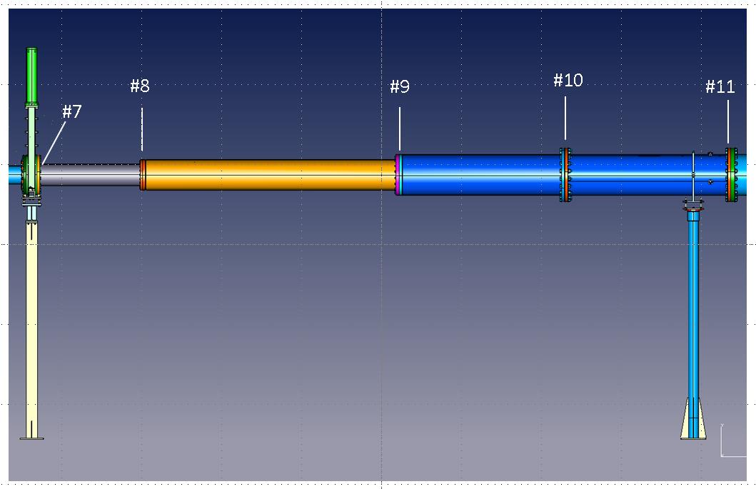
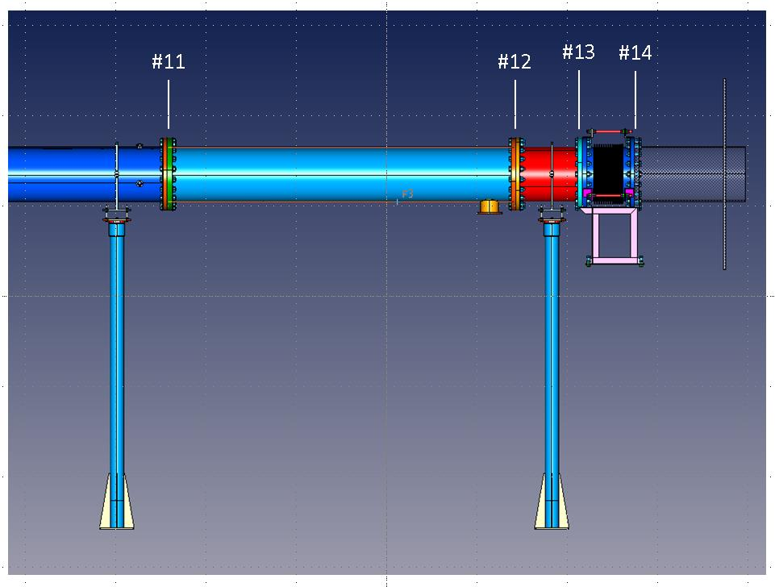
Hall C Beam Line - SHMS Min Angle Configuration -Flange Fastener Paramaters |  |  |  |  |  |  |  | Pipe n. | %total Weight | Material | %total weight | Material Bolts | Total density
Flange | Bolt Radius "R" (in) | Mass (Single Fastener) | Weight (lbs) (Single Fastener) | Material | Total Quantity | Description | 1 | 1 | 0.5614 | 6061-T6 Alum | 0.4386 | Titanium | 3.5070175439
1 | 1.155 | 0.0000647 | 0.0250 | Titanium | 6 | 1/4 -20 UNC Bolt-Nut-Washer | 2 | 6 | 0.7730 | 6061-T6 Alum | 0.2270 | Titanium | 3.1176544767
2 | 2.3125 | 0.0000776 | 0.0300 | Titanium | 12 | 5/16-18 UNC Bolt-Washer | 3 | 11 | 0.6633 | 6061-T6 Alum | 0.3367 | Stainless Steel | 4.4846166659
3 | 5 | 0.0002444 | 0.0943 | Stainless Steel | 24 | 5/16-18 UNC Bolt-Nut-WasherWasher (Bellows) | 4 | 14 | 0.8795 | 347 Stainless Stl | 0.1205 | Stainless Steel | 8
4 | 5 | 0.0001697 | 0.0655 | Stainless Steel | 24 | 5/16-18 UNC Stud-Nut-WasherWasher (Bellows) | 5 | 17 | 0.8748 | 6061-T6 Alum | 0.1252 | Titanium | 2.9303446448
5 | 8 | 0.0003181 | 0.1228 | Titanium | 20 | 1/2-13 UNC Bolt-Washer (Ø18 Inch Flange) | 6 | 18 | 0.8411 | 6061-T6 Alum | 0.1589 | Titanium | 2.9924668498
6 | 10.625 | 0.0013603 | 0.5252 | Titanium | 16 | 1-8 UNC Bolt-Washer (Gate Valve) | 7 | 19 | 0.8427 | 6061-T6 Alum | 0.1573 | Titanium | 2.9895204299
7 | 10.625 | 0.0013603 | 0.5252 | Titanium | 16 | 1-8 UNC Bolt-Washer (Gate Valve) | 8 | 21 | 0.7664 | 6061-T6 Alum | 0.2336 | Stainless Steel | 3.9379117984
8 | 8 | 0.0005982 | 0.2310 | Stainless Steel | 20 | 1/2-13 UNC Bolt-Washer (Ø18 Inch Flange) | 9 | 24 | 0.7927 | 6061-T6 Alum | 0.2073 | Stainless Steel | 3.798896179
9 | 10.75 | 0.0014461 | 0.5583 | Stainless Steel | 18 | 3/4-10 UNC Bolt-Washer (Ø24 Inch Flange) | 10 | 27 | 0.4214 | 6061-T6 Alum | 0.5786 | Stainless Steel | 5.7667738704
10 | 14.75 | 0.0113704 | 4.3900 | Stainless Steel | 20 | 1 1/4-7 UNC Bolt-Nut-Washer (Ø32 Inch Flange) | 11 | 30 | 0.4214 | 6061-T6 Alum | 0.5786 | Stainless Steel | 5.7667738704
11 | 14.75 | 0.0113704 | 4.3900 | Stainless Steel | 20 | 1 1/4-7 UNC Bolt-Nut-Washer (Ø32 Inch Flange) | 12 | 33 | 0.4214 | 6061-T6 Alum | 0.5786 | Stainless Steel | 5.7667738704
12 | 14.75 | 0.0113704 | 4.3900 | Stainless Steel | 20 | 1 1/4-7 UNC Bolt-Nut-Washer (Ø32 Inch Flange) | 13 | 36 | 0.4214 | 6061-T6 Alum | 0.5786 | Stainless Steel | 5.7667738704
13 | 14.75 | 0.0113704 | 4.3900 | Stainless Steel | 20 | 1 1/4-7 UNC Bolt-Nut-Washer (Ø32 Inch Bellows Flange) | 14 | 39 | 0.6803 | 304 Stainless Stl | 0.3197 | Stainless Steel | 8
14 | 14.75 | 0.0113704 | 4.3900 | Stainless Steel | 20 | 1 1/4-7 UNC Bolt-Nut-Washer (Ø32 Inch Bellows Flange)

Bender Volumes
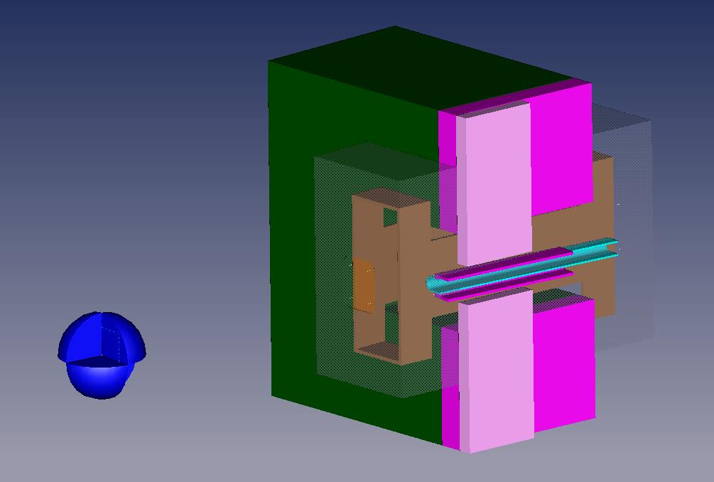

Hall C Beam Line - SHMS Min Angle Configuration (Bender Volumes)
Description | Point # | "X" | "Y" | "Z" | Volume (in^3) | Material
Cryo Stat Shell |  |  |  |  | 1865.03 | 304 Stainless Steel
 | #1 | 14.224 | 16.332 | 46.132
 | #2 | -2.549 | 16.332 | 48.191
 | #3 | 14.224 | -14.330 | 46.132
 | #4 | -2.549 | -14.330 | 48.191
 | #5 | 19.569 | 16.332 | 89.666
 | #6 | -0.248 | 16.332 | 92.099
 | #7 | 19.569 | -14.330 | 89.666
 | #8 | -0.248 | -14.330 | 92.099
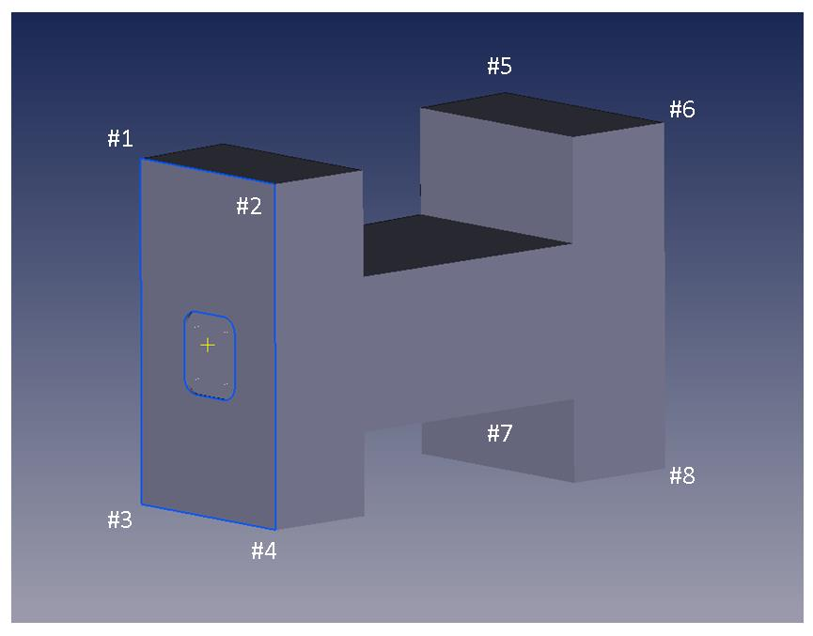

Hall C Beam Line - SHMS Min Angle Configuration (Bender Volumes)
Description | Point # | "X" | "Y" | "Z" | Volume (in^3) | Material |  | 36.833
Yoke Steel |  |  |  |  | 34372.4 | 1006 steel
 | #1 | 34.984 | 23.622 | 53.593
 | #2 | 1.455 | 23.622 | 57.709
 | #3 | 1.455 | 6.890 | 57.709
 | #4 | 13.593 | 6.890 | 56.219
 | #5 | 13.593 | -6.890 | 56.219
 | #6 | 1.455 | -6.890 | 57.709
 | #7 | 1.455 | -23.622 | 57.709
 | #8 | 34.984 | -23.622 | 53.593
 | #9 | 37.863 | 23.622 | 77.038
 | #10 | 2.694 | 23.622 | 81.357
 | #11 | 2.694 | 6.890 | 81.357
 | #12 | 16.471 | 6.890 | 79.665
 | #13 | 16.471 | -6.890 | 79.665
 | #14 | 2.694 | -6.890 | 81.357
 | #15 | 2.694 | -23.622 | 81.357
 | #16 | 37.863 | -23.622 | 77.038
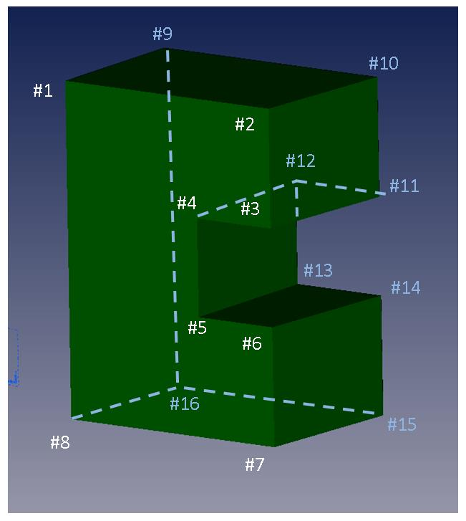

Hall C Beam Line - SHMS Min Angle Configuration (Bender Volumes)
Description | Point # | "X" | "Y" | "Z" | Volume (in^3) | Material |  | X(cm) | Y(cm) | Z(cm)
Additional Yoke -1 |  |  |  |  | 1386.76 | 1006 Steel
Upper | #1 | 1.455 | 23.622 | 57.709 |  |  |  | 3.6957 | 59.99988 | 146.58086
 | #2 | -2.028 | 23.622 | 58.137 |  |  |  | -5.15112 | 59.99988 | 147.66798
 | #3 | -2.028 | 6.890 | 58.137 |  |  |  | -5.15112 | 17.5006 | 147.66798
 | #4 | 1.455 | 6.890 | 57.709 |  |  |  | 3.6957 | 17.5006 | 146.58086
 | #5 | 2.694 | 23.622 | 81.357 |  |  |  | 6.84276 | 59.99988 | 206.64678
 | #6 | -0.788 | 23.622 | 81.784 |  |  |  | -2.00152 | 59.99988 | 207.73136
 | #7 | -0.788 | 6.890 | 81.784 |  |  |  | -2.00152 | 17.5006 | 207.73136
 | #8 | 2.694 | 6.890 | 81.357 |  |  |  | 6.84276 | 17.5006 | 206.64678
Lower Yoke Piece is the same as the upper except for a negative "Y" value
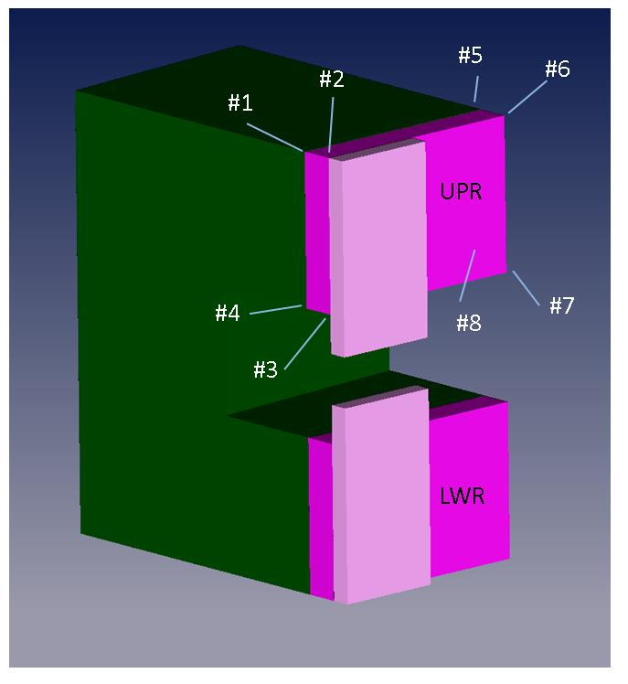

Hall C Beam Line - SHMS Min Angle Configuration (Bender Volumes)
Description | Point # | "X" | "Y" | "Z" | Volume (in^3) | Material
Additional Yoke -2 |  |  |  |  | 471.59 | 1006 Steel
Upper | #1 | -2.028 | 23.622 | 58.137
 | #2 | -4.017 | 23.622 | 58.381
 | #3 | -4.017 | 2.722 | 58.381
 | #4 | 2.028 | 2.722 | 58.137
 | #5 | -1.433 | 23.622 | 69.473
 | #6 | -3.430 | 23.622 | 69.578
 | #7 | -3.431 | 2.722 | 69.578
 | #8 | -1.433 | 2.722 | 69.473
Lower Yoke Piece is the same as the upper except for a negative "Y" value
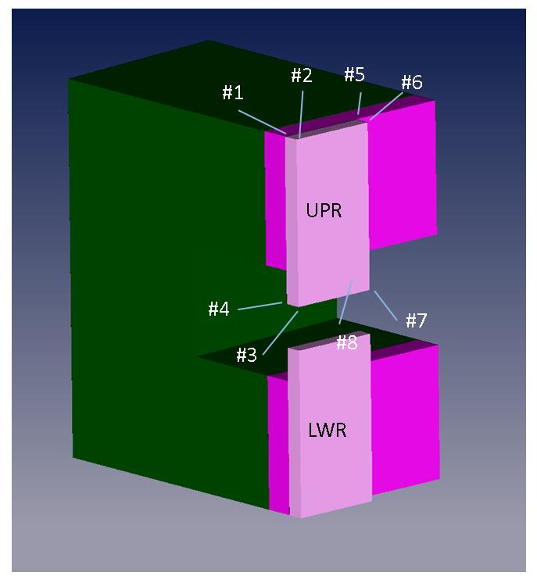

Hall C Beam Line - SHMS Min Angle Configuration (Bender Volumes)
Description | Point # | "X" | "Y" | "Z" | Volume (in^3) | Material
Coils |  |  |  |  | 716.716 | Copper | .570 Thick Coil
(Outer Shape) | #1 | 10.637 | 11.080 | 49.774
(Outer Shape) | #2 | 1.297 | 11.080 | 50.921
(Outer Shape) | #3 | 1.297 | -11.080 | 50.921
(Outer Shape) | #4 | 10.637 | -11.080 | 49.774
(Outer Shape) | #5 | 15.169 | 11.080 | 86.684
(Outer Shape) | #6 | 3.248 | 11.080 | 88.147
(Outer Shape) | #7 | 3.248 | -11.080 | 88.147
(Outer Shape) | #8 | 15.169 | -11.080 | 86.684
(Cutout) | #9 | 11.293 | 11.080 | 55.113
(Cutout) | #10 | 1.579 | 11.080 | 56.306
(Cutout) | #11 | 1.579 | 5.397 | 56.306
(Cutout) | #12 | 11.293 | 5.397 | 55.113
(Cutout) | #13 | 14.507 | 11.080 | 81.285
(Cutout) | #14 | 2.962 | 11.080 | 82.703
(Cutout) | #15 | 2.962 | 5.397 | 82.703
(Cutout) | #16 | 14.507 | 5.397 | 81.285
Lower Cutout in Coil is the same as the upper except for a negative "Y" value

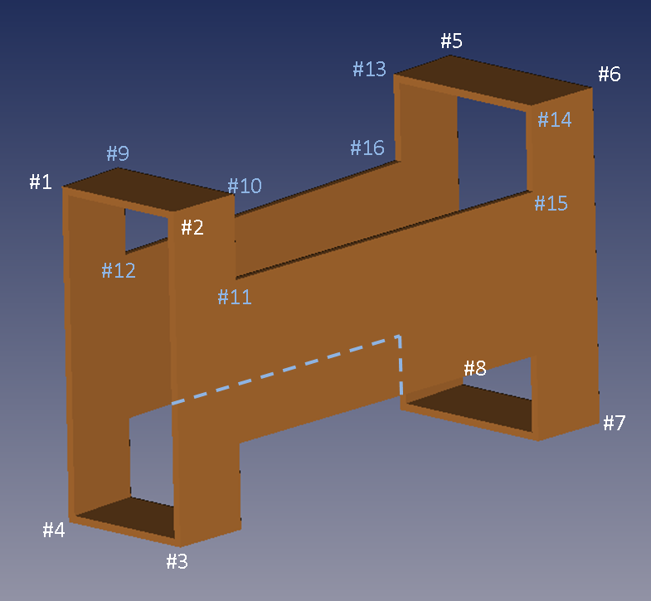

Hall C Beam Line - SHMS Min Angle Configuration (Beam Pipe Shield)
Description | Point # | "X" | "Y" | "Z" Start | "Z" Stop | Volume (in^3) | Material
Beam Pipe Shield |  |  |  |  |  | 52.051 | 1010 Steel
 | #1 | 0.000 | 1.063 | 55.000 | 85.000
 | #2 | -1.998 | 1.063 | 55.000 | 85.000
 | #3 | -1.998 | -1.063 | 55.000 | 85.000
 | #4 | 0.000 | -1.063 | 55.000 | 85.000

Description | Point # | "X" | "Y" | "Z" Start | "Z" Stop | Volume (in^3) | Material
Beam Pipe Shield |  |  |  |  |  | 29.000 (Each) | 1010 Steel
 | #5 | 1.000 | 1.638 | 55.000 | 76.000
 | #6 | -4.150 | 1.638 | 55.000 | 76.000
 | #7 | -4.150 | 1.263 | 55.000 | 76.000
 | #8 | -1.998 | 1.263 | 55.000 | 76.000
 | #9 | 1.998 | 1.063 | 55.000 | 76.000
 | #10 | -1.000 | 1.063 | 55.000 | 76.000
Lower Beam Pipe Shield is the same as the Upper except for a negative "Y" value
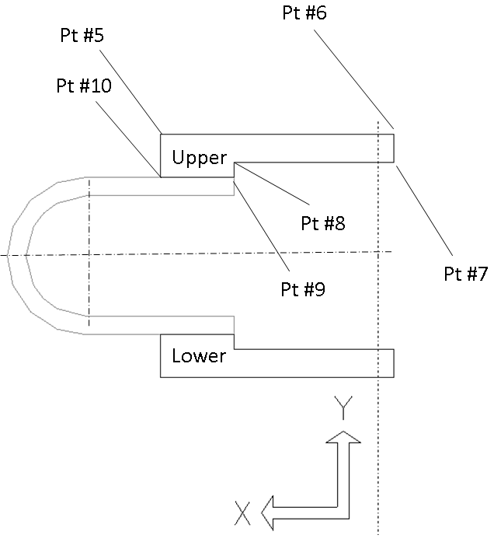

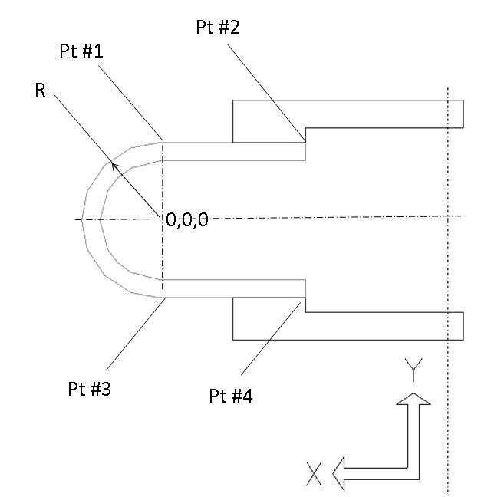

Not used with current Beam Pipe Design```````````

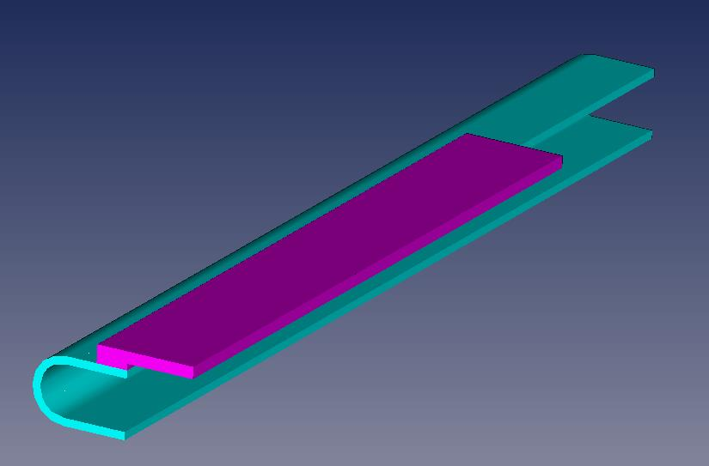

Hall C Beam Line - SHMS Min Angle Configuration (Beam Line Cutout)
Description | Point # | "X" | "Y" | "Z" | Volume (in^3) | Material
Beamline Cutout
 | #1 | 34.984 | 23.622 | 53.593
 | #2 | 1.455 | 23.622 | 57.709
 | #3 | 1.455 | 6.890 | 57.709
 | #4 | 13.593 | 6.890 | 56.219
 | #5 | 13.593 | -6.890 | 56.219
 | #6 | 1.455 | -6.890 | 57.709
 | #7 | 1.455 | -23.622 | 57.709
 | #8 | 34.984 | -23.622 | 53.593
 | #9 | 37.863 | 23.622 | 77.038
 | #10 | 2.694 | 23.622 | 81.357
 | #11 | 2.694 | 6.890 | 81.357
 | #12 | 16.471 | 6.890 | 79.665
 | #13 | 16.471 | -6.890 | 79.665
 | #14 | 2.694 | -6.890 | 81.357
 | #15 | 2.694 | -23.622 | 81.357
 | #16 | 37.863 | -23.622 | 77.038

